Sheet1
ln(N) vs X for Co-60 through Lead
0 | 5.1018968854
1 | 5.1571377531
2 | 4.9994619935
3 | 4.8598124044
4 | 4.7847100998
5
6 | 4.7214706417
7
8 | 4.4067192473
Run #1 |  |  |  | COBOLT-60 |  | Bin | Frequency | 164.33333333 | 5.1018968854 | 0 | SUMMARY OUTPUT
Geiger Counts (counts/sample) | STD DEV: | 10.699389391 |  | Run #1 (No plates) | 79 | 79 | 1 | 173.66666667 | 5.1571377531 | 1
109 | COUNT: | 300 |  | Geiger Counts (counts/sample) | 80 | 80 | 0 | 148.33333333 | 4.9994619935 | 2 | Regression Statistics
93 | MEAN: | 105.58 |  | 168 | 81 | 81 | 2 | 129 | 4.8598124044 | 3 | Multiple R | 0.97048773231
113 | MIN: | 79 |  | 181 | 82 | 82 | 0 | 119.66666667 | 4.7847100998 | 4 | R Square | 0.94184643856
105 | MAX: | 139 |  | 144 | 83 | 83 | 1 | 112.33333333 |  | 5 | Adjusted R Square | 0.93021572627
101 | ±1 STD DEV: | 209 | 69.666666667 | 164.33333333 | 84 | 84 | 2 | 82 | 4.7214706417 | 6 | Standard Error | 0.067913654734
103 | ±2 STD DEV: | 284 | 94.666666667 | Run #2 (1 plate) | 85 | 85 | 2 |  |  | 7 | Observations | 7
99 |  | 84.181221219 |  | Geiger Counts (counts/sample) | 86 | 86 | 3 |  | 4.4067192473 | 8
98 |  | 126.97877878 |  | 166 | 87 | 87 | 2 |  |  |  | ANOVA
123 |  |  |  | 169 | 88 | 88 | 3 |  |  |  |  | df | SS | MS | F | Significance F
100 |  |  |  | 186 | 89 | 89 | 5 |  |  |  | Regression | 1 | 0.37349775188 | 0.37349775188 | 80.979256921 | 0.0002828519884
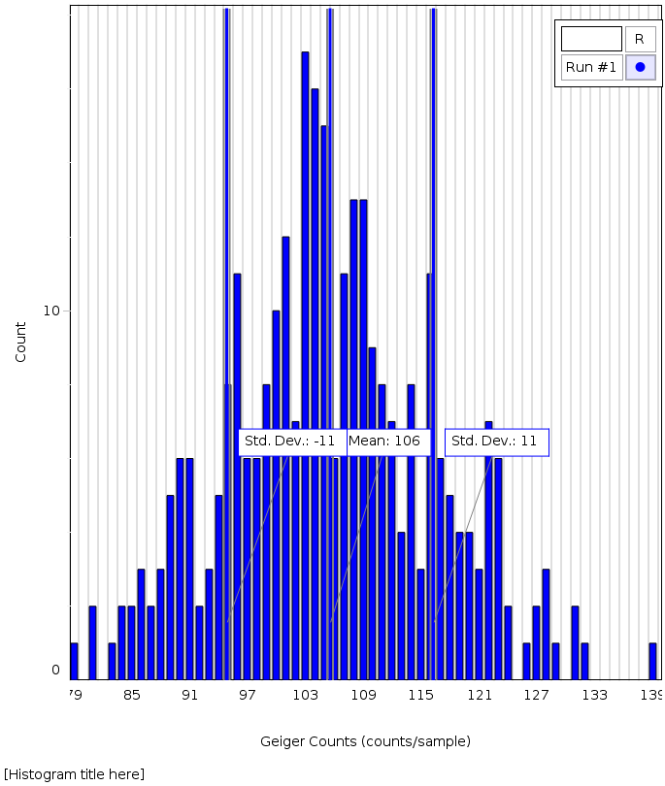
112 |  |  |  | 173.66666667 | 90 | 90 | 6 |  |  |  | Residual | 5 | 0.023061322497 | 0.0046122644994
110 |  |  |  | Run #3 (2 plates) | 91 | 91 | 6 |  |  |  | Total | 6 | 0.39655907438
104 |  |  |  | Geiger Counts (counts/sample) | 92 | 92 | 2
94 |  |  |  | 149 | 93 | 93 | 3 |  |  |  |  | Coefficients | Standard Error | t Stat | P-value | Lower 95% | Upper 95% | Lower 95.0% | Upper 95.0%
114 |  |  |  | 152 | 94 | 94 | 5 |  |  |  | Intercept | 5.1649435956 | 0.042369715236 | 121.90177741 | 7.0459667745E-10 | 5.0560287752 | 5.273858416 | 5.0560287752 | 5.273858416
131 |  |  |  | 144 | 95 | 95 | 8 |  |  |  | X Variable 1 | -0.088474839334 | 0.0098317966839 | -8.9988475329 | 0.0002828519884 | -0.1137482773 | -0.063201401366 | -0.1137482773 | -0.063201401366
119 |  |  |  | 148.33333333 | 96 | 96 | 11
ln(N) vs X for Sr-90 through Aluminum
104 |  |  |  | Run #4 (3 plates) | 96 | 96 | 0 | 557.33333333 | 6.323163505 | 0 | SUMMARY OUTPUT
88 |  |  |  | Geiger Counts (counts/sample) | 97 | 97 | 6 | 542.66666667 | 6.2964952579 | 1
95 |  |  |  | 142 | 98 | 98 | 6 | 517 | 6.2480428745 | 5 | Regression Statistics
101 |  |  |  | 129 | 99 | 99 | 8 | 501.66666667 | 6.2179358885 | 10 | Multiple R | 0.97409123865
105 |  |  |  | 116 | 100 | 100 | 10 | 450 | 6.1092475828 | 20 | R Square | 0.94885374121
108 |  |  |  | 129 | 101 | 101 | 12 | 369.66666667 | 5.9126016987 | 25 | Adjusted R Square | 0.93862448945
87 |  |  |  | Run #5 (4 plates) | 102 | 102 | 7 | 367.66666667 | 5.9071767306 | 30 | Standard Error | 0.043204276891
104 |  |  |  | Geiger Counts (counts/sample) | 103 | 103 | 17 |  |  |  | Observations | 7
103 |  |  |  | 122 | 104 | 104 | 16
110 |  |  |  | 119 | 105 | 105 | 15 |  |  |  | ANOVA
100 |  |  |  | 118 | 106 | 106 | 6 |  |  |  |  | df | SS | MS | F | Significance F
88 |  |  |  | 119.66666667 | 107 | 107 | 11 |  |  |  | Regression | 1 | 0.17314457488 | 0.17314457488 | 92.758860924 | 0.00020465190577
104 |  |  |  | Run #6 (6 plates) | 108 | 108 | 13 |  |  |  | Residual | 5 | 0.0093330477085 | 0.0018666095417
105 |  |  |  | Geiger Counts (counts/sample) | 109 | 109 | 13 |  |  |  | Total | 6 | 0.18247762259
103 |  |  |  | 108 | 110 | 110 | 9
108 |  |  |  | 120 | 111 | 111 | 8 |  |  |  |  | Coefficients | Standard Error | t Stat | P-value | Lower 95% | Upper 95% | Lower 95.0% | Upper 95.0%
100 |  |  |  | 109 | 112 | 112 | 7 |  |  |  | Intercept | 6.3285583841 | 0.025101558595 | 252.11814478 | 1.862988381E-11 | 6.2640327735 | 6.3930839947 | 6.2640327735 | 6.3930839947
114 |  |  |  | 112.33333333 | 113 | 113 | 4 |  |  |  | X Variable 1 | -0.014123573085 | 0.0014664487111 | -9.6311401674 | 0.00020465190577 | -0.017893199504 | -0.010353946665 | -0.017893199504 | -0.010353946665
104 |  |  |  | Run #7 (8 plates) | 114 | 114 | 8
139 |  |  |  | Geiger Counts (counts/sample) | 115 | 115 | 3
105 |  |  |  | 83 | 116 | 116 | 11
102 |  |  |  | 73 | 117 | 117 | 6
116 |  |  |  | 90 | 118 | 118 | 5
110 |  |  |  | 82 | 119 | 119 | 4
104 |  |  |  | Run #8 (10 aluminum sheets) | 120 | 120 | 4
96 |  |  |  | Geiger Counts (counts/sample) | 121 | 121 | 3
116 |  |  |  | 179 | 122 | 122 | 7
89 |  |  |  | 159 | 123 | 123 | 6
90 |  |  |  | 162 | 124 | 124 | 2
100 |  |  |  | 166.66666667 | 125 | 125 | 0
108 |  |  |  | STRONTIUM | 126 | 126 | 1
101 |  |  |  | Run #1 (0 Sheets) | 127 | 127 | 2
108 |  |  |  | Geiger Counts (counts/sample) | 128 | 128 | 3
111 |  |  |  | 607 | 129 | 129 | 1
95 |  |  |  | 526 | 130 | 130 | 0
79 |  |  |  | 539 | 131 | 131 | 2
108 |  |  |  | 557.33333333 | 132 | 132 | 1
89 |  |  |  | Run #2 (1 Sheet) | 133 | 133 | 0
111 |  |  |  | Geiger Counts (counts/sample) | 134 | 134 | 0
116 |  |  |  | 20 | 135 | 135 | 0
116 |  |  |  | 29 | 136 | 136 | 0
103 |  |  |  | 24 | 137 | 137 | 0
107 |  |  |  | 24.333333333 | 138 | 138 | 0
132 |  |  |  | Run #3 (1 alum sheet) | 139 | 139 | 1
101 |  |  |  | Geiger Counts (counts/sample) |  | More | 0
103 |  |  |  | 559
102 |  |  |  | 519
109 |  |  |  | 550
126 |  |  |  | 542.66666667
101 |  |  |  | Run #2 (5 alum sheets)
106 |  |  |  | Geiger Counts (counts/sample)
105 |  |  |  | 508
117 |  |  |  | 511
90 |  |  |  | 532
83 |  |  |  | 517
107 |  |  |  | Run #3 (10 alum sheets)
102 |  |  |  | Geiger Counts (counts/sample)
109 |  |  |  | 469
96 |  |  |  | 531
101 |  |  |  | 505
100 |  |  |  | 501.66666667
112 |  |  |  | Run #4 (20 alum sheets)
113 |  |  |  | Geiger Counts (counts/sample)
97 |  |  |  | 431
110 |  |  |  | 464
109 |  |  |  | 455
99 |  |  |  | 450
107 |  |  |  | Run #5 (25 alum sheets)
123 |  |  |  | Geiger Counts (counts/sample)
105 |  |  |  | 346
117 |  |  |  | 366
102 |  |  |  | 397
105 |  |  |  | 369.66666667
108 |  |  |  | Run #6 (30 alum sheets)
92 |  |  |  | Geiger Counts (counts/sample)
104 |  |  |  | 382
102 |  |  |  | 370
110 |  |  |  | 351
127 |  |  |  | 367.66666667
85
93
118
123
97
117
94
99
104
107
101
100
106
96
99
86
110
104
103
81
124
120
103
81
110
89
100
124
107
96
84
100
119
108
113
95
105
114
103
100
96
128
103
91
114
109
104
109
111
127
110
98
107
115
103
131
104
111
109
123
96
103
90
90
108
107
89
128
116
105
91
97
103
116
105
118
119
104
97
111
114
101
116
109
96
108
94
122
115
101
106
96
98
97
107
122
117
113
103
120
107
109
96
91
90
88
101
94
128
102
118
111
122
85
116
102
115
92
98
105
103
114
106
112
90
105
84
112
105
95
99
118
129
95
122
91
108
109
109
101
96
105
121
108
108
104
99
95
114
98
112
95
122
110
123
119
91
111
107
108
95
104
93
117
89
122
87
107
117
105
86
109
116
94
120
96
98
104
103
118
104
99
103
111
86
116
121
121
109
122
106
116
101
112
91
112
97
120
114
99
103
123
100
106

